Cover Page
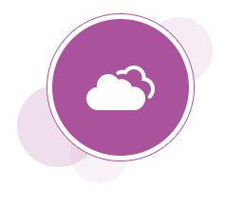
Oracle Cloud Documentation

 | Oracle B2B Service
 | Service Analytics
 | Release 13 - 22A

 | What's here:
 | The Analytics tabs contain a listing of prebuilt analytics that come with your Service app, including the HelpDesk and Next Gen HelpDesk analytics.You can use these analytics right out of the box, or you can make a copy and add or remove any information you want. Note: Saved queries are canned analyses that enable you to construct reports efficiently. You can find them in the /Shared Folders/Service/Subject Area Contents/Saved Queries folders.

